Summary
Overview: The purpose of this spreadsheet is to be able to calculate the claims reserves required in order to settle the payments for the claims already incurred but not reported for the commercial vehicle motor own damage insurance portfolio of the company. We use the basic chain ladder method for this purpose and different choice of development factors and inflation assumptions in four different methods.

Data:
• The incurred claims triangle for loss years 2014- 2023 has been provided. • Data has been provided for claims reported and paid over the years from year 2014 to 2023. In the triangle, the rows represent accident or loss years, and the columns represent development years. • Development year 1 refers to the same year in which loss has occurred. • The amount of claims incurred in year 2024 are provided for each of the accident year.
Assumptions:
• The claim amounts provided are correct/ data provided is assumed to have no errors. • The development of claims will follow same pattern over the years. • Claims inflation that was observed in the past is expected to continue in the future. • The claims for year 2014 are fully developed and there will be no more payments in respect of those claims. • The triangle is homogenous – o no large or catastrophe claims included (except 2019, the impact of which has been explicitly addressed) o There is no need to split the triangle by any other segments • The inflation assumption of 5% p.a holds from 2020. • There is no change in claims settlement processes over the years. • The impact of the pandemic on claim development is restricted to 2019 and doesn't extend beyond. Therefore, any adjustments for pandemic impacts are only applied to 2019. • The claim amounts are total cost to company and there is no reinsurance credit. • Trend identified in development factors from past data holds true irrespective of inflation adjustment. • IBNR claims reserve is set basis simple addition of projected claims and not the present value of future incurred but not reported claims.

Calculation Approach:

The claims data provided in the data tab is used to estimate reserves for 2024 for all accident years (loss years) from 2014 - 2023. For projecting to ultimate claims, there are 4 possible methods.

Method 1:
Since this is a large, stable book for a short-tailed line, we use the 5-year weighted average development factor for projecting claims to ultimate. • The IBNR for each loss year is the difference between ultimate projected and incurred for that year. Total of IBNR for all years from 2013-2024 is calculated. • A simple check shows that IBNR for each year since 2015 is greater than that of the previous year, which is what we would naturally expect. • The only exceptions are the years 2019 and 2020. This is because the experience of 2019 is very low compared to the other years. The year 2019 shows abnormal development, with sudden drop in claims incurred in 2019. This is expected as 2019 saw very low exposure due to restrictions imposed during the pandemic. Fewer vehicles meant fewer accidents and so claims incurred in 2019 are much lower than other years. The next 3 scenarios are possible ways to deal with this.

Method 2:

We use the 5-year weighted average development factor for projecting claims to ultimate, but we exclude 2019 in calculating this factor. We do not expect this kind of development to repeat in the near future and including it will distort the development pattern, so we omit 2019 from the calculation. But we use 5 years' data to calculate development factors, consistent with the first method. The IBNR for each loss year is the difference between ultimate projected and incurred for that year. Total of IBNR for all years from 2013-2024 is calculated. A simple check shows that IBNR for each year from 2015 is greater than the previous year. The only exception is 2019 and 2020. This is because the experience of 2019 is very low compared to the other years and adjusting development factors doesn't have a significant impact because the amounts incurred are very low.

Method 3:
We use the 3-year weighted average development factor for projecting claims to ultimate, in order to exclude 2019 which has abnormally low incurred amounts. We do not expect this kind of drop in exposures from pandemic lockdowns to repeat in the near future and so, we omit 2019 from the calculation of development factors. Also, since it is a short-tailed line, changing the method from a 5-year weighted average to a 3-year weighted average is appropriate. The IBNR for each loss year is the difference between ultimate projected and incurred for that year. Total of IBNR for all years from 2013-2024 is calculated. A simple check shows that IBNR for each year from 2015 is greater than the previous year. The only exception is 2019 and 2020. This is because the incurred amount of 2019 is very low compared to the other years and changing the development factor doesn't produce a significant impact on IBNR for 2019.

Method 4:

We make an explicit adjustment to the basic chain ladder method for inflation for the years 2020 onwards to adjust this because, post pandemic, cost of repairs and cost of vehicle manufacture have increased significantly and the assumption we use is 5% p.a. inflation in claims costs. We first calculate the projected ultimate amounts for years 2014 to 2023 using a 3-year weighted average similar to development factor as in Scenario 2 and check if we arrive at the same IBNR. From the triangle with projected amounts, we calculate the incremental incurred claims for years 2020-2023. These are the expected incurred amounts for each development period for years 2020-2023. We then adjusted for inflation of 5% each year. For years 2020-2023, we sum the inflation adjusted incremental incurred claims over all development years to get the inflation adjusted IBNR for 2020-2023. Total of IBNR for all years from 2013-2024 is calculated. In this case the alternate method of converting incremental to cumulative and then projecting to ultimate and calculating IBNR is also valid.

AvEs:

In 2024, we have been provided the incurred amounts for each loss year.

 | Incurred in 2024
2014 | -
2015 | 6,490
2016 | 23,860
2017 | 68,630
2018 | 135,950
2019 | 58,010
2020 | 55,214
2021 | 1,104,390
2022 | 1,503,240
2023 | 2,995,762

For each scenario, we calculate the expected incurred amount for the year 2024 from the triangles as the difference between expected cumulative incurred in 20204 less incurred upto 2023. For example, for loss year 2016, we calculate the amount we expected in the 9th development year as the difference between our projected amount for this year less what was incurred in 2023. For the Actual vs expected for each loss year, we calculate the actual incurred amount in the table provided less the expected amount as described in the step above.

Results:

Total IBNR under different scenarios is as follows:
Scenario | IBNR
Scenario 1 | 16,148,164
Scenario 2 | 16,141,189
Scenario 3 | 17,118,512
Scenario 4 | 19,110,200

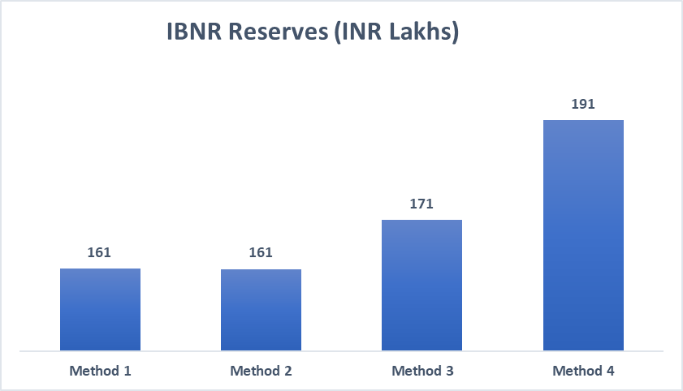

• IBNR is the maximum for method 4 where we make an explicit assumption for future inflation. • Method 3 with the 3-year weighted average development factor is higher than Method 1. • This is because method 1 has 2019 included in development factor calculation, which is pulling down the development factors and resulting in lower reserves. • Scenario 2 gives least reserves/ is less than method 1. • since it involves going back more in time when claims costs were possibly lower.

Actual Vs Expected:

• The AvEs are the same for older years upto 2016 under all scenarios. • For the later years, the expected amounts are different for each scenario and are sensitive to changes in the development pattern. • The actual minus expected amounts are very small for 2014 – 2019. This is expected because they are developed years and very little change is expected to occur. • We have mostly negative differences except for 2023.

 | AvE (Abs. Delta, INR. Lakhs)
Year | Method 1 | Method 2 | Method 3 | Method 4
2014 | - | - | - | -
2015 | 65 | 65 | 65 | 65
2016 | (197) | (197) | (197) | (197)
2017 | 34 | 34 | 34 | 34
2018 | (174) | (174) | (118) | (118)
2019 | (353) | (353) | (340) | (340)
2020 | (3187) | (2783) | (3557) | (3762)
2021 | (3361) | (2400) | (6410) | (7283)
2022 | (2261) | (2751) | (1122) | (1930)
2023 | 6111 | 3309 | 6349 | 5169

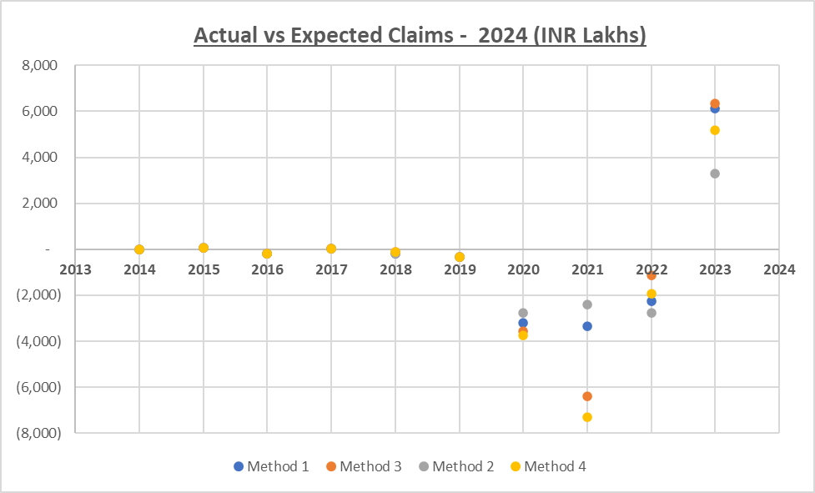

Conclusions:
• Looking at the results from all the 4 methods, we conclude that, as expected, including 2019 results in lower IBNR reserves/ ultimate claims. • Method 1 is a very simplistic approach which assumes that during 2019 Pandemic as well as during the post pandemic recovery, the claims experience is the same as pre-pandemic times. • But this is not the case as we can see from the triangle that claims in 2019 look very low compared to other years, hence one should explore other methods for estimating reserves. • Since the pandemic is not expected to recur every few years, leaving 2019 out of calculating development factors is reasonable. • Which makes both methods 2 and 3 valid improvements over method 1. • In method 2, leaving out 2019 but going back one more year to have a five-year average still results in lower IBNR. • This is because claims from older years have mostly been lower probably due to lower inflation. (Or any point to say that older years are less relevant to current time) • In method 3, we use a 3-year weighted average. Also, for a short-tailed line like motor own/ accidental damage, using a 3year weighted average is a valid approach since we expect claims to be settled quickly. • Post pandemic recovery has caused inflation to be higher than our experience and this is the input we have received. • We can see from the method 4 results, that making an adjustment for inflation explicitly results in a higher IBNR than simply even using a 3-year weighted average in other methods. • This could mean that the implied inflation in recent claims experience was less than 5% p.a. • For years before 2020, we do not make any adjustments because they are close to being fully developed and we hold much smaller amounts as reserves. Impact of an inflation adjustment maybe very minor. • Since our AvE numbers are mostly negative for all older years, this means we are cautious in our reserving.

Next steps:
• Review appropriateness of each method used for this line of business. It is a short-tailed line, so a three-to-five-year history makes sense. • Review the 5% p.a inflation adjustment that was suggested. o Is there a reason to assume 5%p.a. or validate the 5% p.a . o Evaluate if it is likely to continue at the same rate? • Monitor claims inflation for the next year and review • Check data for homogeneity and if not consider further subdividing triangle, for example by distribution channel, gross vehicle weight, type of commercial vehicle – carrying petrol/ inflammables, etc. • Track AvEs for the next few years for any big movements • Exclude 2019 for future reserve estimates as this is a 1-in-a-100-year (very rare) event, not likely to repeat and so should not be used to project claims for the future. • Possibly move to another method for reserve estimation such as ACPC to monitor frequency and severity trends. • We can investigate if we need to treat 2020 also in a similar manner as 2019, since this was the year when recovery out of the pandemic was happening and amounts in the triangle are still not back to pre-covid levels which could mean slower reporting, development, and settlement of claims. • Consider any regulatory guidance on how to reserve for pandemic years. • Check if there is a trend shift in claim/car types (e.g., data might suggest claims cost of hatchback cars and more recent claims might be on sedans, etc.) Hence, evaluate if adjustments of portfolio type (in addition to inflation) are required. • See if actual incurred for 2024 used in the analysis is consistent with historic actuals. • For reserve computation, check if regulator requires any prudence to be kept on top of best estimate assumptions. • Look for trends in claims processing costs/ ALAE in addition to claims. amount. • Check if reserve estimation needs an independent peer revi

Charts
IBNR Reserves (INR Lakhs)
Method | IBNR (INR Lakhs)
Method 1 | 161
Method 2 | 161
Method 3 | 171
Method 4 | 191

AvE
Actual vs Expected Claims - 2024 (INR Lakhs)
AY | Actual (Incurred in FY24) | Expected |  |  |  | AvE |  |  |  |  | AvE (Abs. Delta, INR. Lakhs)
 |  | Method 1 | Method 2 | Method 3 | Method 4 | Method 1 | Method 2 | Method 3 | Method 4 | Year | Method 1 | Method 2 | Method 3 | Method 4
2014 | - | - | - | - | - | - | - | - | - | 2014 | - | - | - | -
2015 | 6,490 | - | - | - | - | 6,490 | 6,490 | 6,490 | 6,490 | 2015 | 65 | 65 | 65 | 65
2016 | 23,860 | 43,609 | 43,609 | 43,609 | 43,609 | (19,749) | (19,749) | (19,749) | (19,749) | 2016 | (197) | (197) | (197) | (197)
2017 | 68,630 | 65,183 | 65,183 | 65,183 | 65,183 | 3,447 | 3,447 | 3,447 | 3,447 | 2017 | 34 | 34 | 34 | 34
2018 | 135,950 | 153,369 | 153,369 | 147,761 | 147,761 | (17,419) | (17,419) | (11,811) | (11,811) | 2018 | (174) | (174) | (118) | (118)
2019 | 58,010 | 93,284 | 93,284 | 92,056 | 92,056 | (35,274) | (35,274) | (34,046) | (34,046) | 2019 | (353) | (353) | (340) | (340)
2020 | 55,214 | 373,883 | 333,499 | 410,874 | 431,418 | (318,669) | (278,285) | (355,660) | (376,203) | 2020 | (3,187) | (2,783) | (3,557) | (3,762)
2021 | 1,104,390 | 1,440,474 | 1,344,407 | 1,745,413 | 1,832,684 | (336,084) | (240,017) | (641,023) | (728,294) | 2021 | (3,361) | (2,400) | (6,410) | (7,283)
2022 | 1,503,240 | 1,729,325 | 1,778,386 | 1,615,483 | 1,696,257 | (226,085) | (275,146) | (112,243) | (193,017) | 2022 | (2,261) | (2,751) | (1,122) | (1,930)
2023 | 2,995,762 | 2,384,637 | 2,664,901 | 2,360,855 | 2,478,898 | 611,125 | 330,861 | 634,907 | 516,864 | 2023 | 6,111 | 3,309 | 6,349 | 5,169

